kubernetes01
kubernetes, course of Pluralsight , installation and configuration fundamentals by Anthony Nocetino

Kubernetes Principles
There is a desired state/Declarative configuration

controlers /control loops

kubernetes api or api server
a colletion of objects that we can use to build and define the systems tha twe want to deploy in code
we deploy with kubernetes using the api server

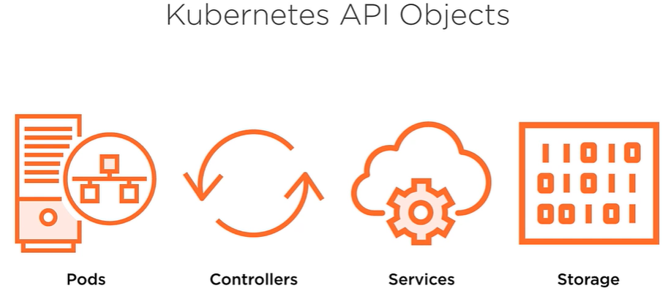
more of api
Kubernetes api objects
Pods, where the containers run
Controllers
like replicasets and deployments
Services
Provide a persistent access point to the applications that we deploy
it needs to be consistent
Storage

Better I'm going ot start with cloud guru
the course is called: Kubernetes deep dive with Nigel Poulton, @nigelpoulton
https://learn.acloud.guru/course/kubernetes-deep-dive/dashboard
Introduction
Why Kubernetes
it's a great container orchestator
it's the coolest thing nowadays like virtual machines was at it's moment
the author has done 2 cool books called: The Kubernetes book and Dockers Deep Dive
Prerequisites
we are going to need access to the internet
a kubernes cluster either on our desktop or in the cloud
in the course he is going to use Minikube and docker for desktop
also a public cloud hosted k8s cluster
http://play-with-k8s.com

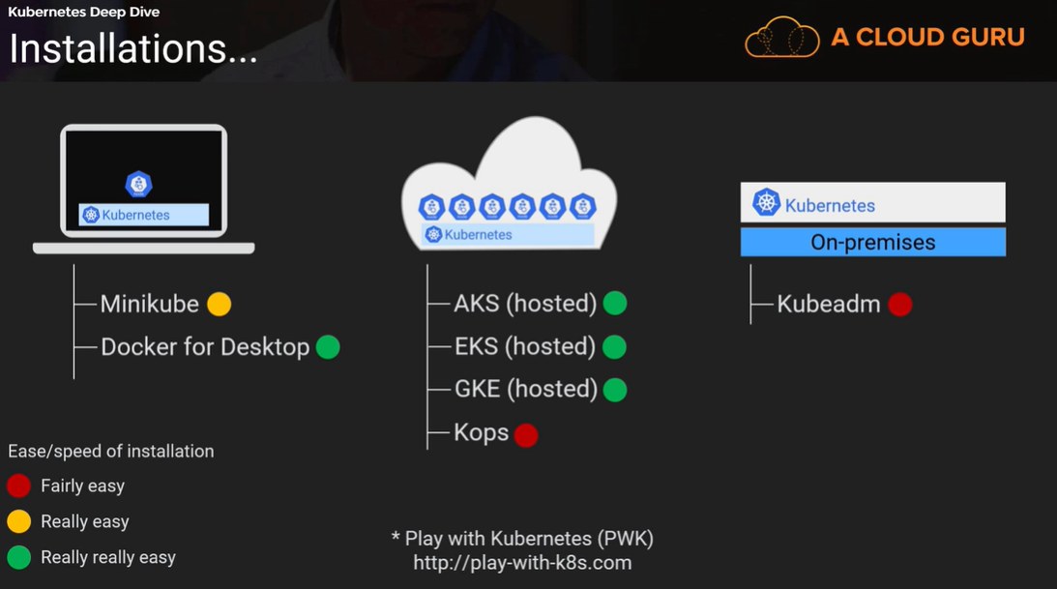

Chapter 2 Kubernetes Big Picture

